Sheet1
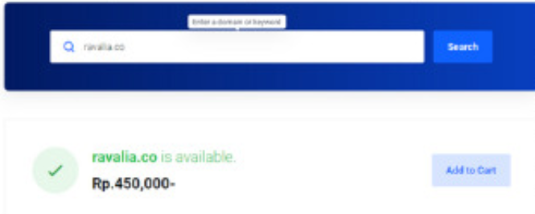
HARGA SERVER VPS MONTHLY | HARGA DOMAIN
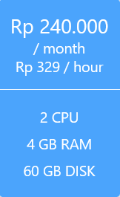

 | ITEM | SPEK
 | OPERATING SYSTEM | LINUX UBUNTU 20.4
 | CPU | 2 CORE
 | RAM | 4 GB
 | STORAGE | 60 GB
 | MONTHLY | 240,000
 | YEARLY | 2,880,000
 | DOMAIN | 450,000
 |  | 3,570,000
 | *Normal Price
 | *Tidak termasuk PPN

